Script
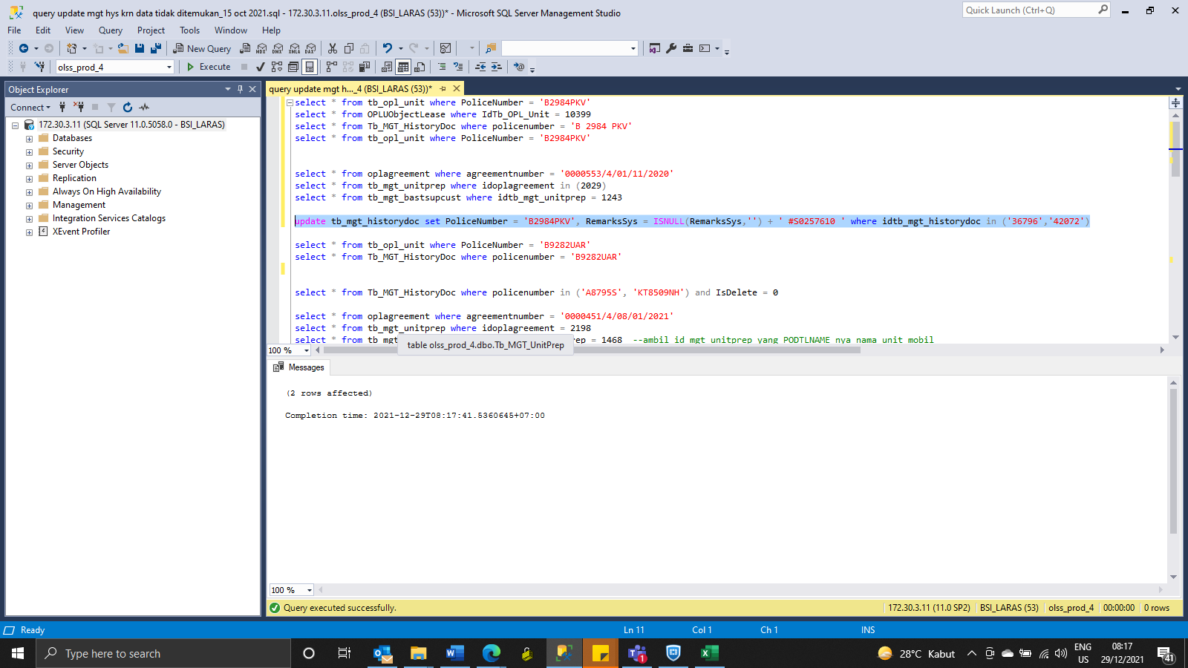
update tb_mgt_historydoc set PoliceNumber = 'B2984PKV', RemarksSys = ISNULL(RemarksSys,'') + ' #S0257610 ' where idtb_mgt_historydoc in ('36796','42072')

SS
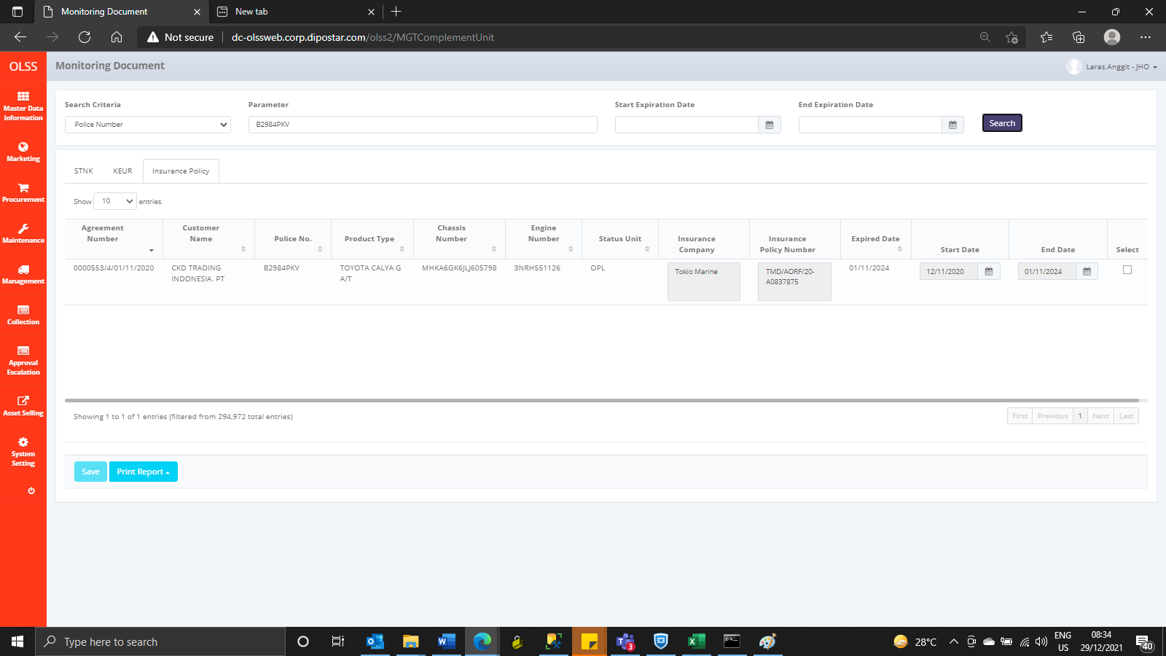
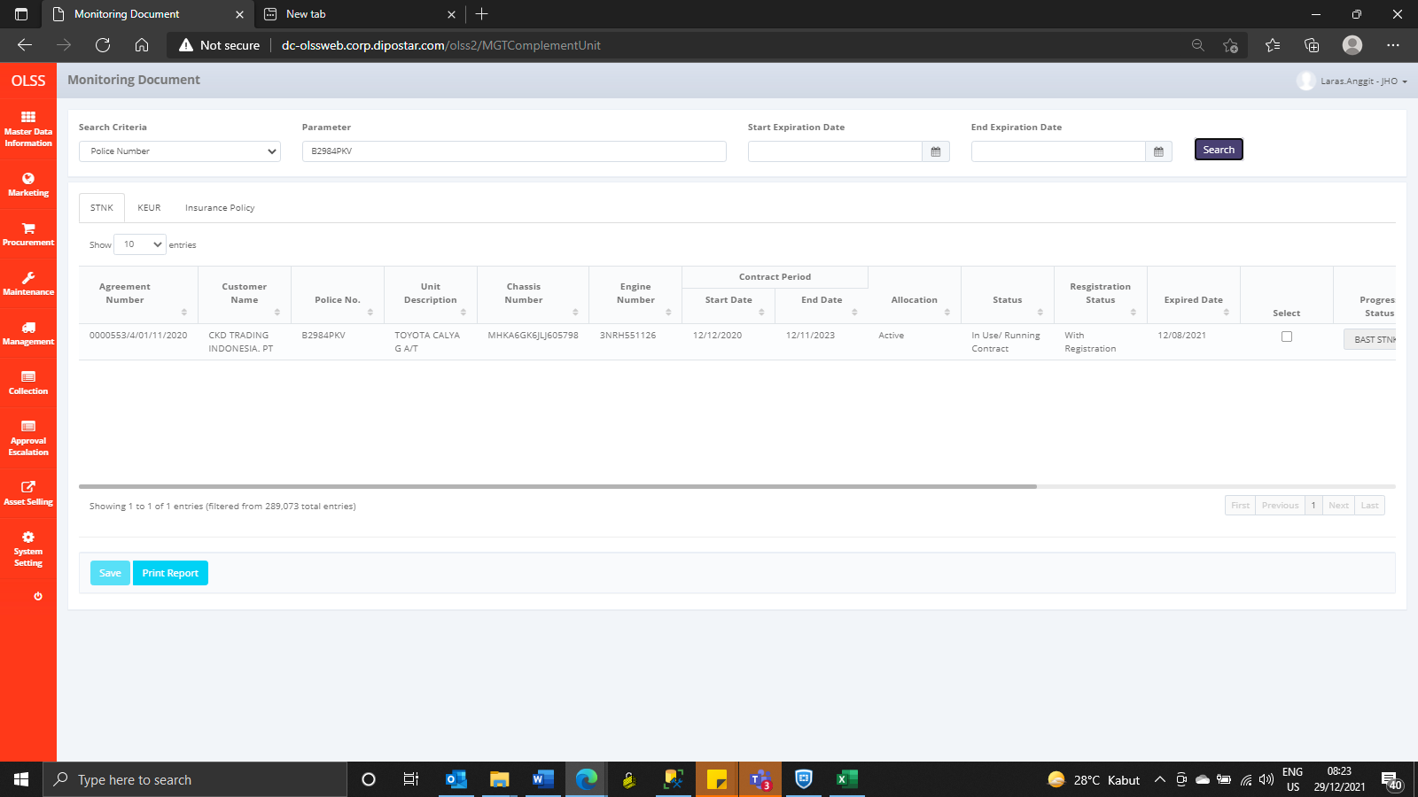
Before
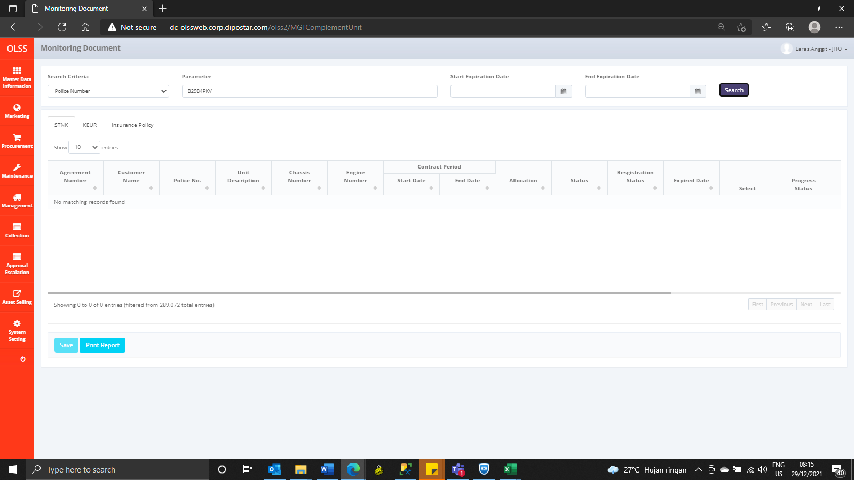


After

